Data-dictionary
Data Dictionary for Bike-Rental Database Management Systems (DBMS)

CUSTOMER-TABLE

Field_Name | Data_Type | Required | Key | Description
Customer_ID | INT UNSIGNED | Yes | PK | Auto-incrementing primary key and a unique identifier for each customer.
National_ID Card | VARCHAR(20) | Yes | Unique | Unique national identification number.
First_Name | VARCHAR(50) | Yes |  | Customer's first name.
Last_Name | VARCHAR(50) | Yes |  | Customer's last name.
Email_Address | VARCHAR(100) | Yes | Unique | Customer's Unique accounts (Email Address) identifier.
Phone_Number | VARCHAR(20) | Yes |  | Customer's Phone Number
Date_Of_Birth | DATE | Yes |  | Customer's Date Of Birth
Registration_Date | DATETIME | Yes |  | The date and time the customer registered.
Password | CHAR(60) | Yes |  | Stores the secure hash of the customer's password

RENTAL-TABLE
Field_Name | Data_Type | Required | Key | Description
Rental_ID | INT_UNSIGNED | Yes | PK | Auto-incrementing primary key for the rental transaction & a unique identifier for each rental Transaction.
Customer_ID | INT_UNSIGNED | Yes | FK | The customer who initiated the rental and a Foreign key linking to the Customer table.
Bike_ID | INT_UNSIGNED | Yes | FK | The bike that was rented with a Foreign key linking to the Bike table.
Rental_Start | DATETIME | Yes |  | The date and time the rental period began.
Rental_End | DATETIME | Yes |  | The date and time the rental period ended.
End_Location | INT_UNSIGNED | Yes | FK | The location where the bike was returned, with a foreign key linking to the location table.
Total_Cost | DECIMAL(10, 2) | Yes |  | The total calculated cost of the rental.
Payment_Status | ENUM ("Pending") | Yes |  | The status of the payment (e.g., "Paid," "Pending," "Failed")

BIKE-TABLE
Field_Name | Data_Type | Required | Key | Description
Bike_ID | INT_UNSIGNED | Yes | PK | Auto-Incrementing primary key for the bike.
Bike_Serial_Number | VARCHAR(50) | Yes | Unique | The unique manufacturer-assigned serial number for each bike.
Model | VARCHAR(50) | No |  | The bike's model name.
Bike_Type | VARCHAR(30) | Yes |  | The type of bike (e.g., "Mountain", "Road", "Electric")
Current_Status | ENUM "Available", "Rented", "In Maintenance." | Yes |  | The current status & Availability of the bike. ENUM is used to restrict values to a predefined list.
Last_Maintenance_Date | DATE | No |  | The date of the last maintenance performed on the bike.
Rental_Rate_Per_Minute | DECIMAL(5, 2) | Yes |  | The cost to rent the bike per minute. DECIMAL is used for precise monetary values.
Location_ID | INT_UNSIGNED | Yes | FK | The current location of the bike, referencing the location entity with a Foreign key linking to the Location table.

STAFF-TABLE
Field_Name | Data_Type | Required | Key | Description
Staff_ID | INT_UNSIGNED | Yes | PK | Auto-Incrementing primary key for staff. A unique identifier for each staff member.
National_ID | VARCHAR(20) | Yes | Unique | Staff member's unique national identification number.
First_Name | VARCHAR(50) | Yes |  | Staff member's first name.
Last_Name | VARCHAR(50) | Yes |  | Staff member's last name.
Email | VARCHAR(100) | Yes | Unique | Staff member's unique email address.
Phone_Number | VARCHAR(20) | Yes |  | Staff member's phone number.
Role | ENUM ("Staff", "Administrator") | Yes |  | The job role of the staff member.
Date_Hired | DATE | Yes |  | The date the staff member was hired.
Location_ID | FK, INT | Yes |  | The primary location where the staff member works.

PAYMENT-TABLE
Field_Name | Data_Type | Required | Key | Description
Payment_ID | INT_UNSIGNED | Yes | PK | Auto-Incrementing primary key for the payment, A unique identifier for each payment transaction.
Rental_ID | INT_UNSIGNED | Yes | FK | Foreign key linking to the Rental table. The rental transaction this payment corresponds to.
Payment_Date | DATETIME | Yes |  | The date and time the payment was made.
Amount | DECIMAL(10, 2) | Yes |  | The amount of the payment. DECIMAL is used for precision.
Payment_Method | VARCHAR(50) | Yes |  | The method of payment (e.g., "Credit Card", "Mobile Money")
Transaction_ID | VARCHAR(100) | Yes | Unique | The unique transaction ID from the payment processor.

LOCATION-TABLE
Field_Name | Data_Type | Required | Key | Description
Location_ID | INT_UNSIGNED | Yes | PK | A unique identifier for each rental station and auto-incrementing primary key for each location.
Location_Name | VARCHAR(100) | Yes |  | The name of the location.
Address | VARCHAR(255) | Yes |  | The physical address of the location.
City | VARCHAR(50) | Yes |  | The city where the location is.
Longitude | DECIMAL(9, 6) | Yes |  | The geographical longitude of the location.
Capacity | INT_UNSIGNED | No |  | The maximum number of bikes the location can hold.

MAINTENANCE-TABLE
Field_Name | Data_Type | Required | Key | Description
Maintenance/Log_ID | INT_UNSIGNED | Yes | PK | Auto-incrementing primary key for the maintenance record. A unique identifier for each maintenance entry.
Bike_ID | INT_UNSIGNED | Yes | FK | Foreign key linking to the Bike table, showing the bike that was serviced.
Staff_ID | INT_UNSIGNED | Yes | FK | Foreign key linking to the Staff table. The staff member who performed the maintenance.
Maintenance_Date | DATETIME | Yes |  | The date and time the maintenance was performed.
Description | TEXT | Yes |  | A detailed description of the maintenance performed.
Cost | DECIMAL (10, 2) | Yes |  | The cost associated with the maintenance.

Understanding Diagram Data
Organization Chart - Data Visualizer Addin
Learn how to use the data columns in this Organization Chart sample.
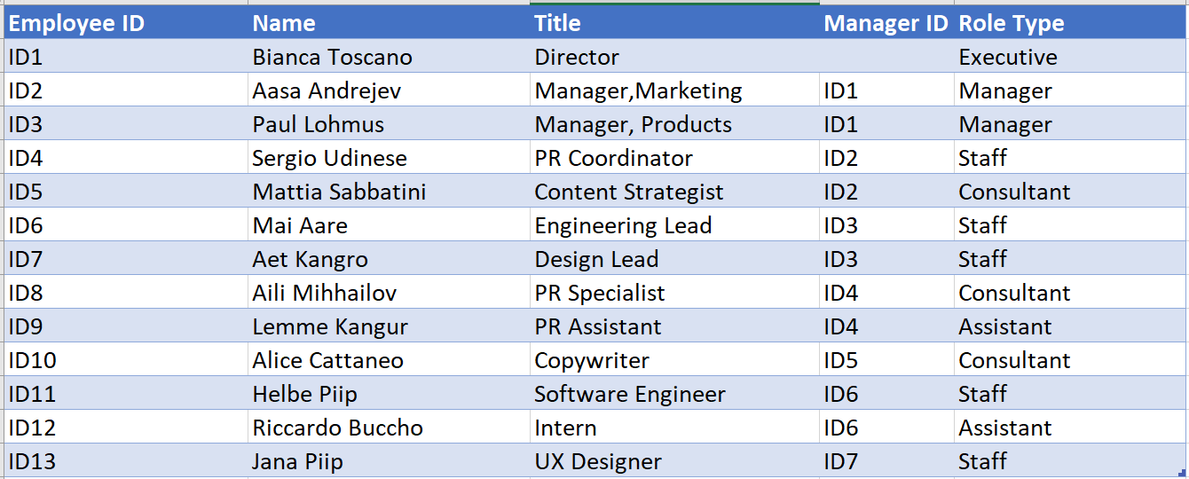
Employee ID
The values in this column should uniquely identify the Employee. For example 1,2,3… or S100, S101, D501, D502 etc. This is a mandatory field.

Name
Name of the employee.

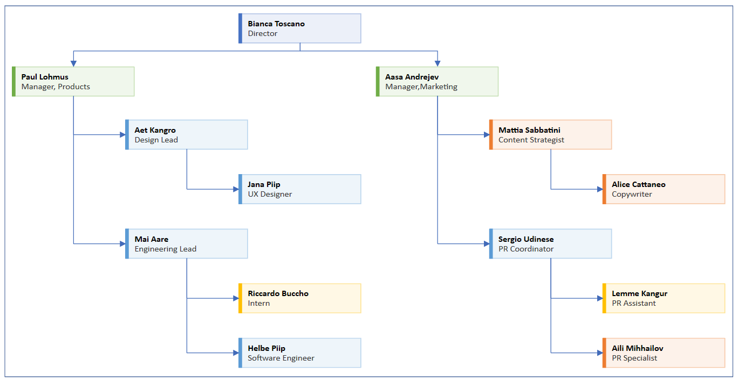
Title
Title of the employee in the organization. Employee ID of the person this individual reports to. For example, the sample data says “ID1” in the Manager ID field for the two individuals who report directly to the Executive.

Manager ID
Employee ID of the person this individual reports to. For example, the sample data says “ID1” in the Manager ID field for the two individuals who report directly to the Executive.

Role Type
Add keywords for role type in this column. This column contains a list of pre-defined colors in Visio. Recommended: Select a role type value from the available values in the dropdown list.

Let's get started >

